mta2019methods
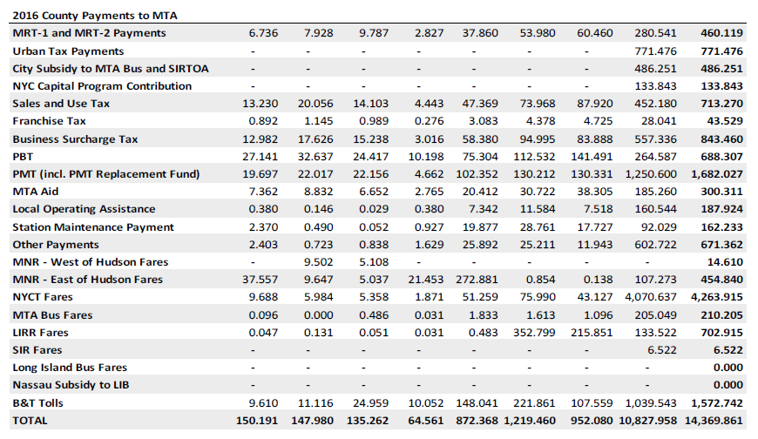
 |  | Amounts in millions |  |  |  |  |  | Allocation method
Item | shortname | 2019 | 2020 | 2021 | Data source | Allocate? | Comments on revenue | MTA Jan 2019 | Comments on allocation
NYCT + CRR Combined (available accrued subsidies)

Metropolitan Mass Transportation Operating Assistance Account (MMTOA NYS regional taxes) | mmtoa | 1,819.0 | 1,560.2 | 2,242.0 | MTA KW |  | some of pbt; sales; franchise tax; franchise surcharges
- Regional sales tax |  |  |  |  |  |  |  | taxable sales inferred from collections
- Regional franchise tax surcharge on certain businesses |  |  |  |  |  |  |  | employment in taxed industries
- Taxes on certain transportation and transmission companies |  |  |  |  |  |  |  | population and employment

- Urban taxes
Mass Transportation Trust Fund Receipts (MTTF)
- PBT | pbt |  |  |  |  |  |  | vehicle registrations, electricity consumption, enplanements as proxy for petroleum sales | motor fuel dominates gallonage - see Table 9 of DTF fiscal year collections report
- Motor fuel tax | mft |  |  |  |  |  |  | n/a
- Motor vehicle fees | mvfees

Gross PBT Receipts (before DS) | pbt | 649.1 | 503.4 | 525.7 | MTA KW
Payroll Mobility Tax | pmt | 1,646.7 | 1,526.5 | 1,575.9 | MTA KW |  | Disclosure p.27 shows PMT of $1,713 in 2021. However, KW amount is roughly consistent with DTF collections.(??) |  |  | 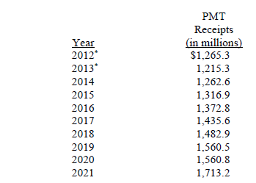
Payroll Mobility Tax Replacement Funds | pmtoffset | 244.3 | 195.4 | 293.1 | MTA KW
MTA Aid | mtaaid | 283.5 | 218.9 | 331.9 | MTA KW |  | Disclosure MTA Trust Account receipts totals correspond only loosely
- Licenses and registrations |  |  |  |  |  |  |  | licenses and registrations
- Taxicab tax |  |  |  |  |  |  |  | all to NYC
- Auto rentals tax |  |  |  |  |  |  |  | all to NYC

Real Property Transfer Tax Surcharge (Mansion) | mansion | 73.8 | 176.5 | 374.5 | MTA KW
Internet marketplace tax | internet | 85.1 | 260.0 | 344.9 | MTA KW
Urban tax | urban | 641.3 | 352.7 | 512.7 | MTA KW
Mortgage recording taxes | mrt |  |  |  |  |  |  | collections

Sum of above |  | 7,461.8 | 6,813.5 | 8,221.7

capitalmansion
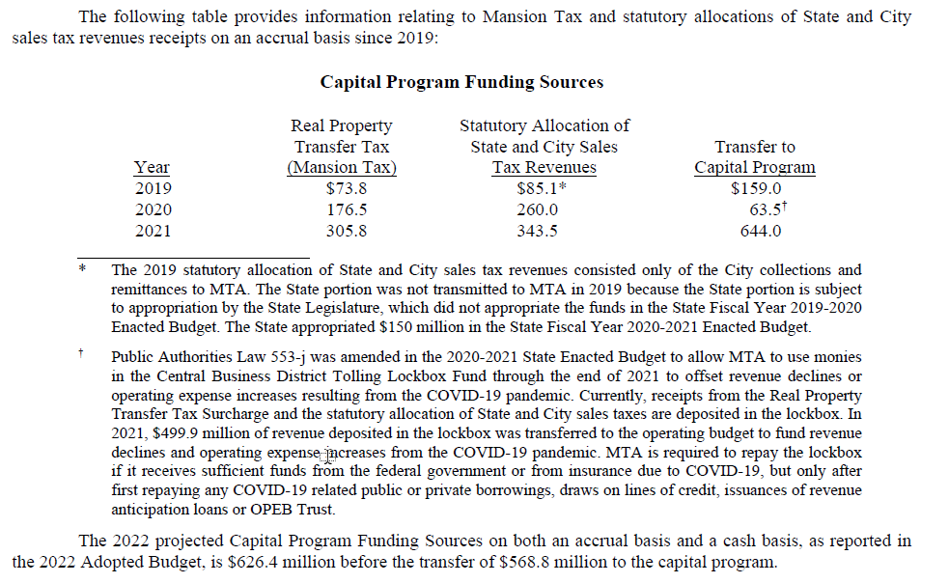

urban
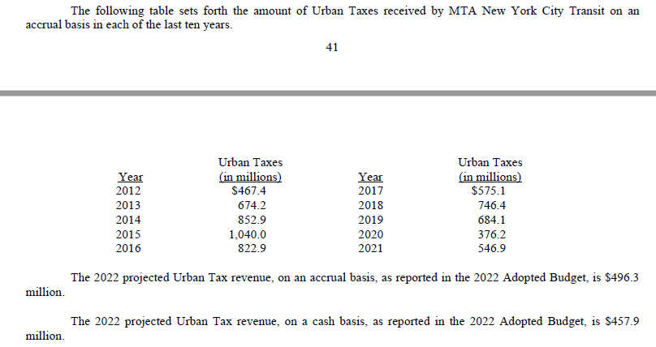

MTA Aid
From disclosure
Calendar Year | Supplemental License Fees and Registration Fees** | Taxicab Tax | Supplemental Auto Rental Tax | Total

2013 | 175.90 | 82.10 | 43.50 | 301.60
2014 | 171.70 | 84.90 | 44.60 | 301.20
2015 | 176.50 | 74.80 | 46.00 | 297.30
2016 | 179.10 | 66.70 | 56.80 | 302.60
2017 | 189.30 | 56.90 | 45.20 | 291.40
2018 | 192.50 | 53.10 | 50.80 | 296.40
2019 | 195.30 | 47.50 | 53.10 | 295.90
2020 | 184.60 | 18.60 | 43.50 | 246.70
2021 | 196.10 | 14.90 | 57.40 | 268.40
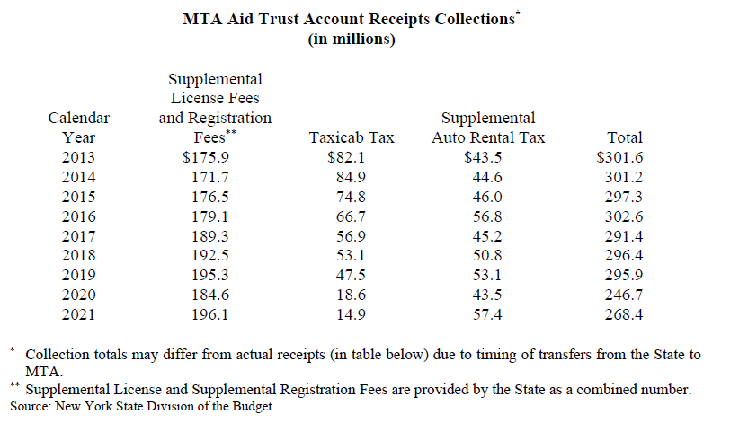

 |  |  |  |  |  | 2013 | 2014 | 2015 | 2016 | 2017 | 2018 | 2019 | 2020 | 2021

 |  |  |  |  | Supplemental License Fees and Registration Fees** | 175.90 | 171.70 | 176.50 | 179.10 | 189.30 | 192.50 | 195.30 | 184.60 | 196.10
 |  |  |  |  | Taxicab Tax | 82.10 | 84.90 | 74.80 | 66.70 | 56.90 | 53.10 | 47.50 | 18.60 | 14.90
 |  |  |  |  | Supplemental Auto Rental Tax | 43.50 | 44.60 | 46.00 | 56.80 | 45.20 | 50.80 | 53.10 | 43.50 | 57.40
 |  |  |  |  | Total | 301.60 | 301.20 | 297.30 | 302.60 | 291.40 | 296.40 | 295.90 | 246.70 | 268.40

MMTOA
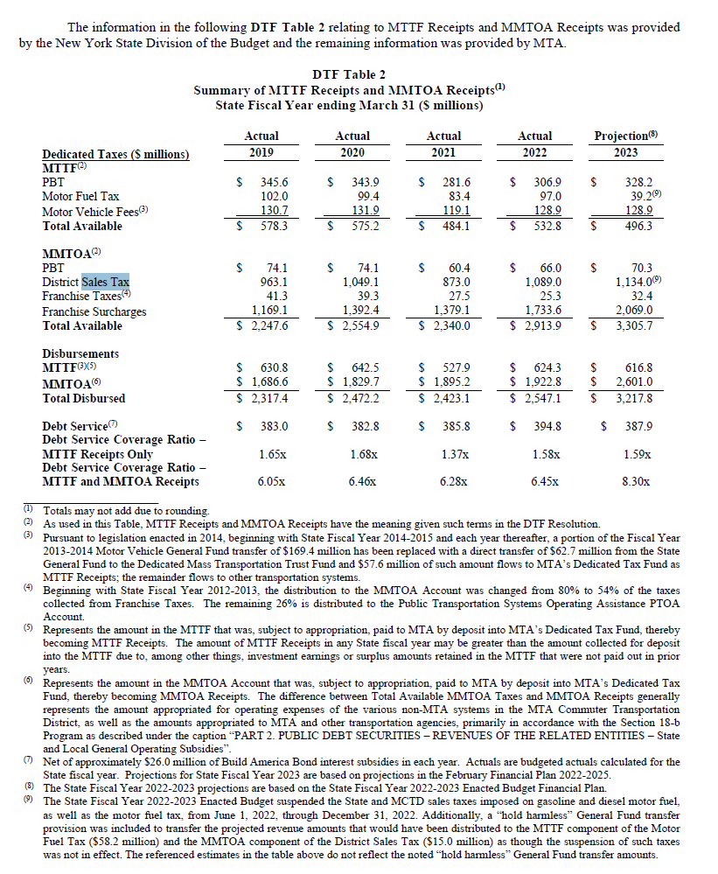
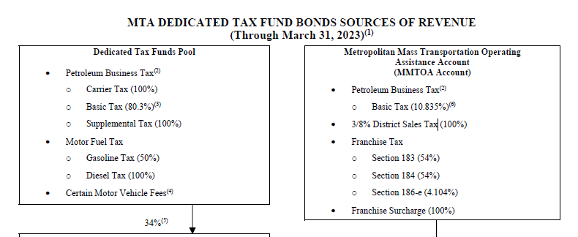
DTF Table 2 Summary of MTTF Receipts and MMTOA Receipts(1) State Fiscal Year ending March 31 ($ millions)
 | Actual | Actual | Actual | Actual | Projection(8)
Dedicated Taxes ($ millions) | 2019 | 2020 | 2021 | 2022 | 2023
MTTF(2)
PBT | $ 345.60 | $ 343.90 | $ 281.60 | $ 306.90 | $ 328.20
Motor Fuel Tax | 102.0 | 99.4 | 83.4 | 97.0 | 39.2(9)
Motor Vehicle Fees(3) | 130.7 | 131.9 | 119.1 | 128.9 | 128.9
Total Available | $ 578.30 | $ 575.20 | $ 484.10 | $ 532.80 | $ 496.30
MMTOA(2)
PBT | $ 74.10 | $ 74.10 | $ 60.40 | $ 66.00 | $ 70.30
District Sales Tax | 963.1 | 1,049.1 | 873.0 | 1,089.0 | 1,134.0(9)
Franchise Taxes(4) | 41.3 | 39.3 | 27.5 | 25.3 | 32.4
Franchise Surcharges | 1,169.1 | 1,392.4 | 1,379.1 | 1,733.6 | 2,069.0
Total Available | $ 2,247.60 | $ 2,554.90 | $ 2,340.00 | $ 2,913.90 | $ 3,305.70
Disbursements
MTTF(3)(5) $ 630.8 $ 642.5 $ 527.9 $ 624.3 $ 616.8

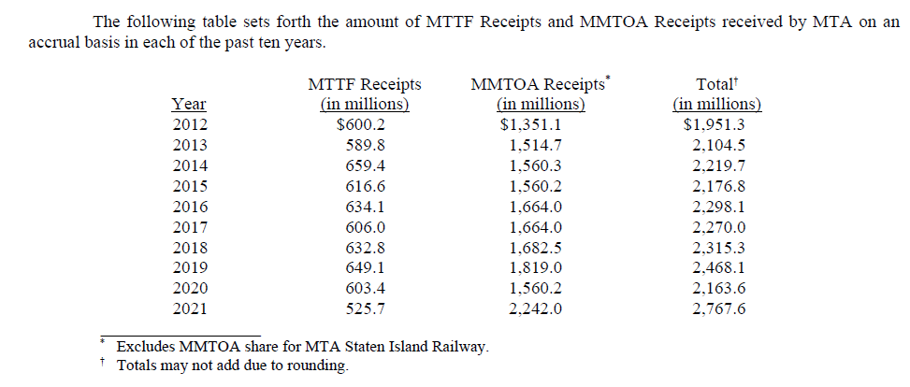
MMTOA(6) | $ 1,686.60 | $ 1,829.70 | $ 1,895.20 | $ 1,922.80 | $ 2,601.00
Total Disbursed | $ 2,317.40 | $ 2,472.20 | $ 2,423.10 | $ 2,547.10 | $ 3,217.80
Debt Service(7) Debt Service Coverage Ratio – MTTF Receipts Only Debt Service Coverage Ratio – MTTF and MMTOA Receipts | $ 383.0 1.65x 6.05x | $ 382.8 1.68x 6.46x | $ 385.8 1.37x 6.28x | $ 394.8 1.58x 6.45x | $ 387.9 1.59x 8.30x

MTTF_MMTOA
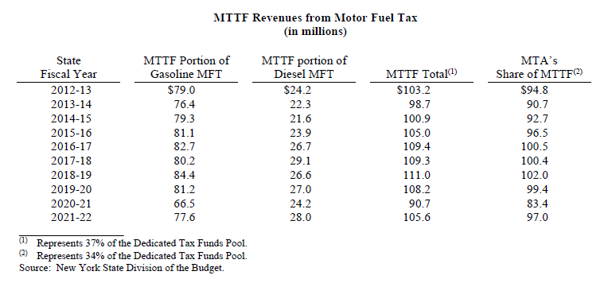
DTF Table 2 Summary of MTTF Receipts and MMTOA Receipts(1) State Fiscal Year ending March 31 ($ millions)
 | Actual | Actual | Actual | Actual | Projection(8)
Dedicated Taxes ($ millions) | 2019 | 2020 | 2021 | 2022 | 2023
MTTF(2)
PBT | $ 345.60 | $ 343.90 | $ 281.60 | $ 306.90 | $ 328.20
Motor Fuel Tax | 102.0 | 99.4 | 83.4 | 97.0 | 39.2(9)
Motor Vehicle Fees(3) | 130.7 | 131.9 | 119.1 | 128.9 | 128.9
Total Available | $ 578.30 | $ 575.20 | $ 484.10 | $ 532.80 | $ 496.30
MMTOA(2)
PBT | $ 74.10 | $ 74.10 | $ 60.40 | $ 66.00 | $ 70.30
District Sales Tax | 963.1 | 1,049.1 | 873.0 | 1,089.0 | 1,134.0(9)
Franchise Taxes(4) | 41.3 | 39.3 | 27.5 | 25.3 | 32.4
Franchise Surcharges | 1,169.1 | 1,392.4 | 1,379.1 | 1,733.6 | 2,069.0
Total Available | $ 2,247.60 | $ 2,554.90 | $ 2,340.00 | $ 2,913.90 | $ 3,305.70
Disbursements
MTTF(3)(5) $ 630.8 $ 642.5 $ 527.9 $ 624.3 $ 616.8

MMTOA(6) | $ 1,686.60 | $ 1,829.70 | $ 1,895.20 | $ 1,922.80 | $ 2,601.00
Total Disbursed | $ 2,317.40 | $ 2,472.20 | $ 2,423.10 | $ 2,547.10 | $ 3,217.80
Debt Service(7) Debt Service Coverage Ratio – MTTF Receipts Only Debt Service Coverage Ratio – MTTF and MMTOA Receipts | $ 383.0 1.65x 6.05x | $ 382.8 1.68x 6.46x | $ 385.8 1.37x 6.28x | $ 394.8 1.58x 6.45x | $ 387.9 1.59x 8.30x

 |  |  |  |  |  |  | 2019 | 2020 | 2021 | 2022 | 2023

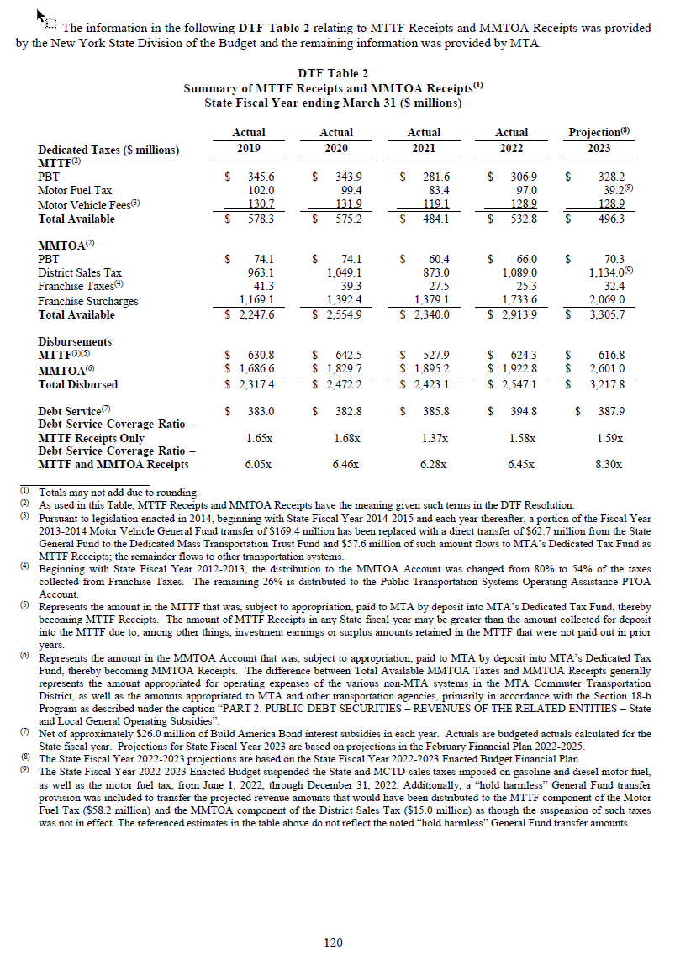
 |  |  |  |  |  | PBT | 74.10 | 74.10 | 60.40 | 66.00 | 70.30
 |  |  |  |  |  | District Sales Tax | 963.10 | 1,049.10 | 873.00 | 1,089.00 | 1,134.00
 |  |  |  |  |  | Franchise Taxes | 41.30 | 39.30 | 27.50 | 25.30 | 32.40
 |  |  |  |  |  | Franchise Surcharges | 1,169.10 | 1,392.40 | 1,379.10 | 1,733.60 | 2,069.00
 |  |  |  |  |  | Total Available to MMTOA | 2,247.60 | 2,554.90 | 2,340.00 | 2,913.90 | 3,305.70

MTOA_Franchise
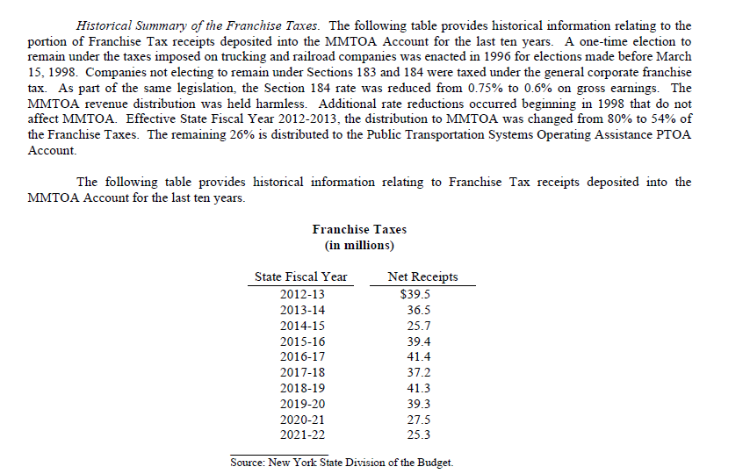

MTOA_FranchiseSurch
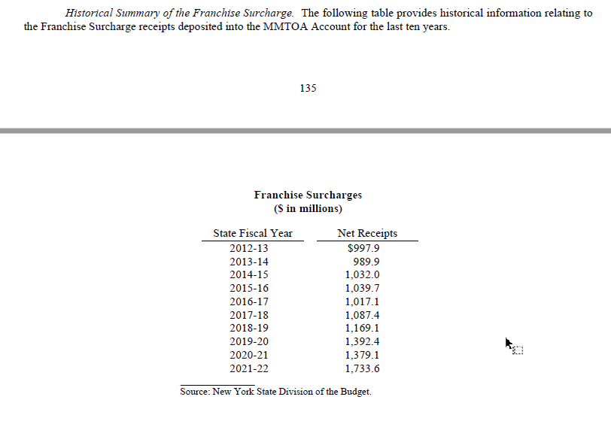

MTOA_sales
